Variables
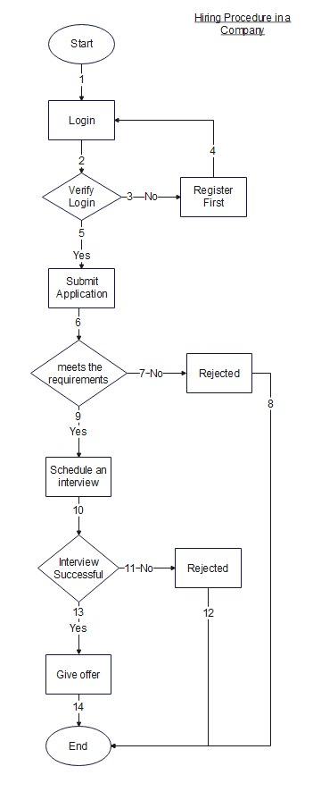
Input Variables
First Name
Last Name
Email
Password
Conatct Number
Address
Document

